SEM_Log
Date: 22 Mar 2022
PMMA (RPM) | nm | Thickness of white line | PMGI (RPM) | nm | Thickness of white line |  | PMMA/PMGI | nm | Thickness of white line
2000 | 780 | 155 | 3800 | 205 | 51.7 |  | 2200/4000 | 500 | 117
2200 | 572 |  | 4000 | 400 | 69
2500 | 555 |  | 4200 | 247
4300 | 397
4500 | 339 | 43.77
4700 | 633

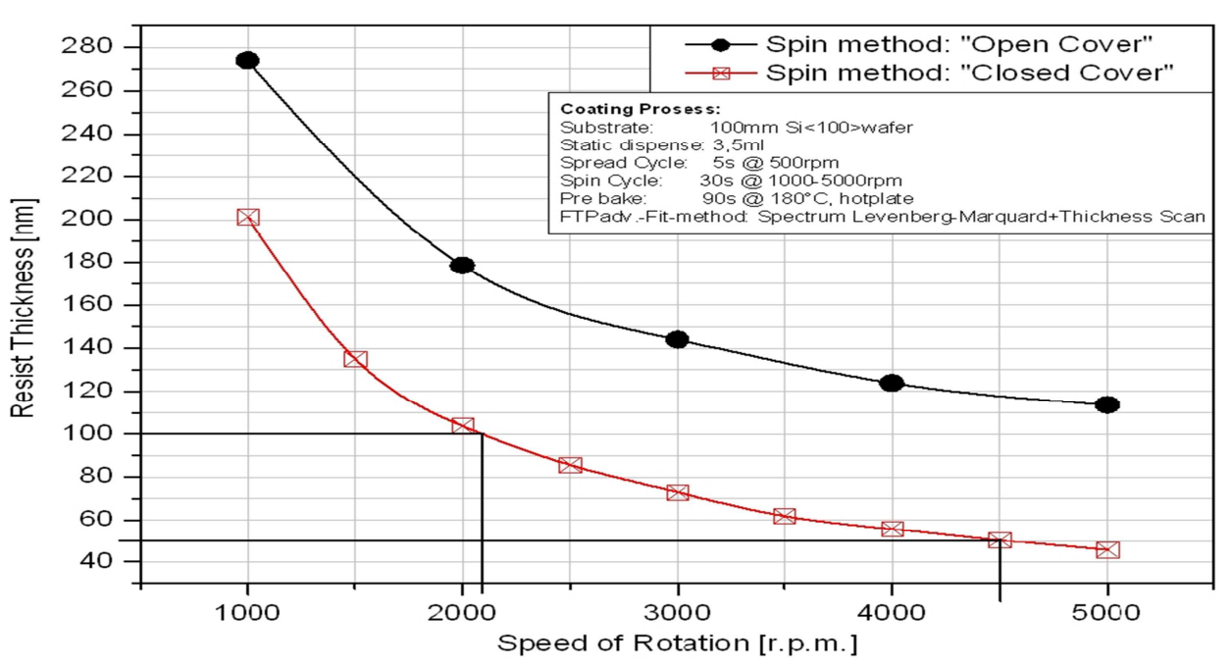
Date: 04 Jan 2022
PMMA (RPM) | nm | PMGI (RPM) | nm
2100 | 146 | 4000 | 135 | PMMA
2500 | 238 | 4500 | 169
3000 | 86 | 5000 | 81
3500 | 16 | 5500 | 79
4000 | 61 | 6000 | 480
4500 | 190 | 6500 | 362
5000 | 27
5500 | 191
6000 | 264
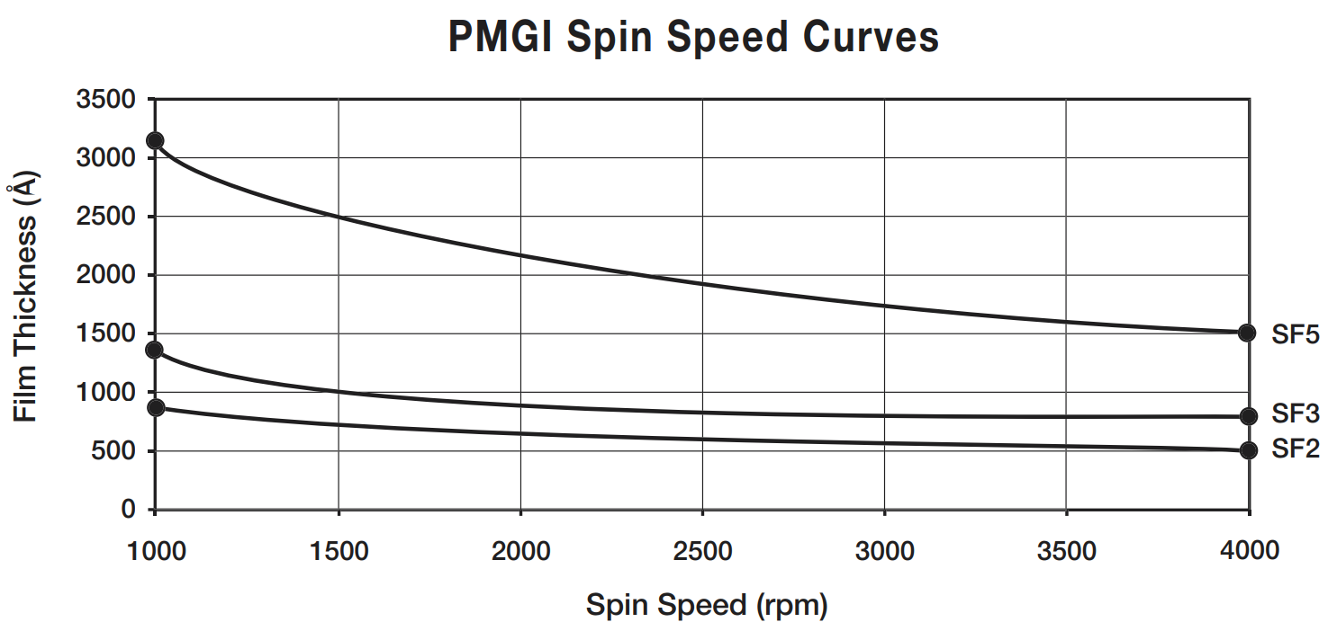
6500 | 283

 |  |  |  | PMGI_SF2

Make the sample holder ready
Prepare the sample before the time
Date: 28 Dec 2021
PMMA | nm | PMGI | nm
2100 |  | 4500 | 250
2500 | 29 | 5500 | 173
3000 | 460 | 6500 | 65.58
3500 | 278
4000
4500 | 50
5000 | 50
6000 | 38

Date: 21 Dec. 2021
PMMA | nm | PMGI | nm
4500 |  | 4500
4600 | 9 | 5000 | 5
4700 | 9 | 6000 | 10
4800 | 13
4900
5000 | 7

Liftoff process for all the samples
Calibrating the amount of resist, so that it will cover at corner of sample
Clean the wafer
dehydrate the sample w.r.t resist
Try to place the sample exactly at middle
PMMA | nm | PMGI | nm
4500 | 120 | 4500
4600 |  | 5000
4700
4800
4900
5000 | 50
Make 4-5 sample for calibration_PMGI

PMMA | nm | PMGI | nm | PMMA | nm | PMGI |  | nm
4500 | 126 | 4500 | 390 | 2100 | 61 | 6000 | @45sec | 268
5000 | 69 | 5000 | 215 | 2500 | 24 | 7000 | @45sec | 17
1800 | 128 | PMGI_50nm(5000)/PMMA_50nm(5000) | 365 | 3000 | 13.9 | 8000 | @45sec | 308
2100 | 89.9 |  |  | 3500 | 32
2500 | 188 |  |  | 4000 | 168
3000 | 254 |  |  | 4500 | 52
 |  |  |  | 5000 | 21
 |  |  |  | 5500 | 73
 |  |  |  | 6000 | 34

Observation
1. Not following hyperbolic curve
Reasons behind, on not following hyperbolic curve
1. May have used different quantity of liquid
2. Sample placed in the SEM chamber
Make sure that the corners are populated by liquid

EBL Pattern_plan2
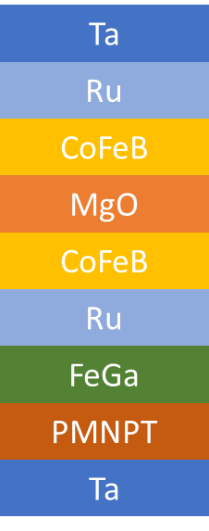
S.No. | Sample (from substarte side) | Comment | Lot Number | Characterization | S. No. | Sample | Characterization | Thickness (nm) | Lateral Dimension (nm) | Seperation (nm)(center-center) | Structures | Box Co-ordinates | Box Count | Sample Count | S.No. | Sample (from substarte side)
1 | Ta/PMNPT (25, 35, 50, 65, 75) | Get the thickness with high de-coefficient | #1 |  | 1 | PMNPT | PFM | 25 | 250 x 200 | (300 x 250)/(325 x 275)/(350 x 300) | Elliptical | (1,1), (2,1), (3,1) | 3 | 1 | 1 | Ta (5)/MgO(0.8)/CoFeB(100) | Co(60)Fe(20)B(20) | VSM, FMR
2 | Ta/PMNPT/FeGa (1, 1.3, 1.5, 2, 3, 6, 8, 10, 15, 20) | get FeGa thickness for high magneto-electric coupling | #2 | FMR, VSM |  |  |  |  | 200 x 150 | (250 x 200)/(275 x 225)/(300 x 250) | Elliptical | (1,2), (2,2), (3,2) | 3 |  | 2 | Ta (5)/MgO(0.8)/CoFeB(50) |  | VSM, FMR
4 | Ta/PMNPT/FeGa/Ru/CoFeB(1)/Mgo(0.8)/CoFeB(1)/Ru/Ta | Co(20)Fe(60)B(20) | PMNPT, FeGa thickness from Sample 2 | #3 |  |  |  |  |  | 150 x 100 | (200 x 150)/(225 x 175)/(250 x 200) | Elliptical | (1,3), (2,3), (3,3) | 3 |  | 3 | Ta (5)/MgO(0.8)/CoFeB(20) | * | VSM, FMR
5 | Ta(5)/MgO(0.8)/CoFeB(2) | Co(20)Fe(60)B(20) | #1 | FMR, VSM |  |  |  |  | 110 x 50 | (160 x 100)/(185 x 125)/(210 x 150) | Elliptical | (1,4), (2,4), (3,4) | 3 |  | 4 | Ta (5)/MgO(0.8)/CoFeB(10) | * | VSM, FMR
6 | Ta(5)/MgO(0.8)/CoFeB(1) |  | #1 |  |  |  |  |  | 100 um | - | Circular | (1,5), (2,5), (3,5) | 3 |  | 5 | Ta (5)/MgO(0.8)/CoFeB(5) |  | VSM, FMR
7 | Ta(5)/MgO(0.8)/CoFeB(2) | Co(40)Fe(40)B(20) | #1 | FMR, VSM |  |  |  |  | 50 | 100 / 125 / 150 | Circular | (1,6), (2,6), (3,6) | 3 |  | 6 | Ta (5)/MgO(0.8)/CoFeB(2) | * | VSM, FMR
8 | Ta(5)/MgO(0.8)/CoFeB(1) |  | #1 |  |  |  |  |  | 75 | 125 / 150 / 175 | Circular | (1,7), (2,7), (3,7) | 3 |  | 7 | Ta (5)/MgO(0.8)/CoFeB(1.7) |  | VSM, FMR
9 | Ta(5)/Ru(10)/Ta(5)/CoFeB(1)/MgO(0.8)/CoFeB(1)/Ta(5)/Ru(5) | Co(60)Fe(20)B(20) | #2 | TMR |  |  |  |  | 100 | 150 / 175 / 200 | Circular | (1,8), (2,8), (3,8) | 3 |  | 8 | Ta (5)/MgO(0.8)/CoFeB(1.5) |  | VSM, FMR
10 | Ta(5)/Ru(10)/Ta(5)/CoFeB(2)/MgO(0.8)/CoFeB(2)/Ta(5)/Ru(5) |  | #2 | TMR |  |  |  |  | 125 | 175 / 200 / 225 | Circular | (1,9), (2,9), (3,9) | 3 |  | 9 | Ta (5)/MgO(0.8)/CoFeB(1.2) |  | VSM, FMR
11 | Ta(5)/Ru(10)/Ta(5)/CoFeB(1)/MgO(0.8)/CoFeB(1)/Ta(5)/Ru(5) | Co(20)Fe(60)B(20) | #2 | TMR |  |  |  |  | 150 | 200 / 225 / 250 | Circular | (1,10), (2,10), (3,10) | 3 |  | 10 | Ta (5)/MgO(0.8)/CoFeB(1) | * | VSM, FMR
12 | Ta(5)/Ru(10)/Ta(5)/CoFeB(2)/MgO(0.8)/CoFeB(2)/Ta(5)/Ru(5) |  | #2 | TMR |  |  |  |  |  |  |  |  | Total: 30 |  | 11 | Ta (5)/MgO(0.8)/CoFeB(0.8) | * | VSM, FMR
13 | Ta(5)/Ru(10)/Ta(5)/CoFeB(1)/MgO(0.8)/CoFeB(1)/Ta(5)/Ru(5) | Co(40)Fe(40)B(20) | #2 | TMR |  |  |  | 50 | 250 x 200 | (300 x 250)/(325 x 275)/(350 x 300) | Elliptical | (1,1), (2,1), (3,1) | 3 | 1
14 | Ta(5)/Ru(10)/Ta(5)/CoFeB(2)/MgO(0.8)/CoFeB(2)/Ta(5)/Ru(5) |  | #2 | TMR |  |  |  |  | 200 x 150 | (250 x 200)/(275 x 225)/(300 x 250) | Elliptical | (1,2), (2,2), (3,2) | 3
 |  |  |  |  |  |  |  |  | 150 x 100 | (200 x 150)/(225 x 175)/(250 x 200) | Elliptical | (1,3), (2,3), (3,3) | 3
 |  |  |  |  |  |  |  |  | 110 x 50 | (160 x 100)/(185 x 125)/(210 x 150) | Elliptical | (1,4), (2,4), (3,4) | 3
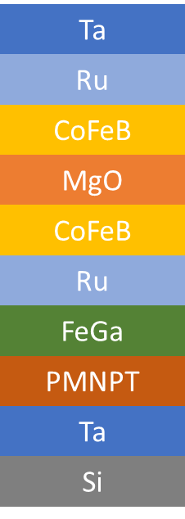
 |  |  |  |  |  |  |  |  | 100 um | - | Circular | (1,5), (2,5), (3,5) | 3
 |  |  |  |  |  |  |  |  | 50 | 100 / 125 / 150 | Circular | (1,6), (2,6), (3,6) | 3
 |  |  |  |  |  |  |  |  | 75 | 125 / 150 / 175 | Circular | (1,7), (2,7), (3,7) | 3
 |  |  |  |  |  |  |  |  | 100 | 150 / 175 / 200 | Circular | (1,8), (2,8), (3,8) | 3
 |  |  |  |  |  |  |  |  | 125 | 175 / 200 / 225 | Circular | (1,9), (2,9), (3,9) | 3
 |  |  |  |  |  |  |  |  | 150 | 200 / 225 / 250 | Circular | (1,10), (2,10), (3,10) | 3
 |  |  |  |  |  |  |  |  |  |  |  |  | Total: 30
 |  |  |  |  |  |  |  | 75 | 250 x 200 | (300 x 250)/(325 x 275)/(350 x 300) | Elliptical | (1,1), (2,1), (3,1) | 3 | 1
 |  |  |  |  |  |  |  |  | 200 x 150 | (250 x 200)/(275 x 225)/(300 x 250) | Elliptical | (1,2), (2,2), (3,2) | 3
 |  |  |  |  |  |  |  |  | 150 x 100 | (200 x 150)/(225 x 175)/(250 x 200) | Elliptical | (1,3), (2,3), (3,3) | 3
 |  |  |  |  |  |  |  |  | 110 x 50 | (160 x 100)/(185 x 125)/(210 x 150) | Elliptical | (1,4), (2,4), (3,4) | 3
 |  |  |  |  |  |  |  |  | 100 um | - | Circular | (1,5), (2,5), (3,5) | 3
 |  |  |  |  |  |  |  |  | 50 | 100 / 125 / 150 | Circular | (1,6), (2,6), (3,6) | 3
 |  |  |  |  |  |  |  |  | 75 | 125 / 150 / 175 | Circular | (1,7), (2,7), (3,7) | 3
 |  |  |  |  |  |  |  |  | 100 | 150 / 175 / 200 | Circular | (1,8), (2,8), (3,8) | 3
 |  |  |  |  |  |  |  |  | 125 | 175 / 200 / 225 | Circular | (1,9), (2,9), (3,9) | 3
 |  |  |  |  |  |  |  |  | 150 | 200 / 225 / 250 | Circular | (1,10), (2,10), (3,10) | 3
 |  |  |  |  |  |  |  |  |  |  |  |  | Total: 30
 |  |  |  |  | 2 | FeGa | VSM, FMR | 1 | 150 | 200 | Circular | (1,1), (1,2), (1,3), (1,4), (1,5) | 5 | 1
 |  |  |  |  |  |  |  |  |  | 225 | Circular | (1,6), (1,7), (1,8), (1,9), (1,10) | 5
 |  |  |  |  |  |  |  |  |  | 250 | Circular | (2,1), (2,2), (2,3), (2,4), (2,5) | 5
 |  |  |  |  |  |  |  |  |  | 275 | Circular | (2,6), (2,7), (2,8), (2,9), (2,10) | 5
 |  |  |  |  |  |  |  |  |  | 300 | Circular | (3,1), (3,2), (3,3), (3,4), (3,5) | 5
 |  |  |  |  |  |  |  |  |  | 325 | Circular | (3,6), (3,7), (3,8), (3,9), (3,10) | 5
 |  |  |  |  |  |  |  |  |  |  |  |  | Total: 30
 |  |  |  |  |  |  |  | 1.3 | 150 | 200 | Circular | (1,1), (1,2), (1,3), (1,4), (1,5) | 5 | 1
 |  |  |  |  |  |  |  |  |  | 225 | Circular | (1,6), (1,7), (1,8), (1,9), (1,10) | 5
 |  |  |  |  |  |  |  |  |  | 250 | Circular | (2,1), (2,2), (2,3), (2,4), (2,5) | 5
 |  |  |  |  |  |  |  |  |  | 275 | Circular | (2,6), (2,7), (2,8), (2,9), (2,10) | 5
 |  |  |  |  |  |  |  |  |  | 300 | Circular | (3,1), (3,2), (3,3), (3,4), (3,5) | 5
 |  |  |  |  |  |  |  |  |  | 325 | Circular | (3,6), (3,7), (3,8), (3,9), (3,10) | 5
 |  |  |  |  |  |  |  |  |  |  |  |  | Total: 30
 |  |  |  |  |  |  |  | 2 | 150 x 100 | 200 x 150 | Elliptical | (1,1), (1,2), (1,3), (1,4), (1,5) | 5 | 1
 |  |  |  |  |  |  |  |  |  | 225 x 175 | Elliptical | (1,6), (1,7), (1,8), (1,9), (1,10) | 5
 |  |  |  |  |  |  |  |  |  | 250 x 200 | Elliptical | (2,1), (2,2), (2,3), (2,4), (2,5) | 5
 |  |  |  |  |  |  |  |  |  | 275 x 225 | Elliptical | (2,6), (2,7), (2,8), (2,9), (2,10) | 5
 |  |  |  |  |  |  |  |  |  | 300 x 250 | Elliptical | (3,1), (3,2), (3,3), (3,4), (3,5) | 5
 |  |  |  |  |  |  |  |  |  | 325 x 275 | Elliptical | (3,6), (3,7), (3,8), (3,9), (3,10) | 5
 |  |  |  |  |  |  |  |  |  |  |  |  | Total: 30

 |  |  |  |  | 2 | FeGa | VSM, FMR | 1 | 50 | 100 | Circular | (1,1), (1,2), (1,3), (1,4), (1,5) | 5 | 1
 |  |  |  |  |  |  |  |  |  | 125 | Circular | (1,6), (1,7), (1,8), (1,9), (1,10) | 5
 |  |  |  |  |  |  |  |  |  | 150 | Circular | (2,1), (2,2), (2,3), (2,4), (2,5) | 5
 |  |  |  |  |  |  |  |  |  | 175 | Circular | (2,6), (2,7), (2,8), (2,9), (2,10) | 5
 |  |  |  |  |  |  |  |  |  | 200 | Circular | (3,1), (3,2), (3,3), (3,4), (3,5) | 5
 |  |  |  |  |  |  |  |  |  | 225 | Circular | (3,6), (3,7), (3,8), (3,9), (3,10) | 5
 |  |  |  |  |  |  |  |  |  |  |  |  | Total: 30
 |  |  |  |  |  |  |  | 1.3 | 50 | 100 | Circular | (1,1), (1,2), (1,3), (1,4), (1,5) | 5 | 1
 |  |  |  |  |  |  |  |  |  | 125 | Circular | (1,6), (1,7), (1,8), (1,9), (1,10) | 5
 |  |  |  |  |  |  |  |  |  | 150 | Circular | (2,1), (2,2), (2,3), (2,4), (2,5) | 5
 |  |  |  |  |  |  |  |  |  | 175 | Circular | (2,6), (2,7), (2,8), (2,9), (2,10) | 5
 |  |  |  |  |  |  |  |  |  | 200 | Circular | (3,1), (3,2), (3,3), (3,4), (3,5) | 5
 |  |  |  |  |  |  |  |  |  | 225 | Circular | (3,6), (3,7), (3,8), (3,9), (3,10) | 5
 |  |  |  |  |  |  |  |  |  |  |  |  | Total: 30
 |  |  |  |  |  |  |  | 2 | 75 x 50 | 175 x 150 | Circular | (1,1), (1,2), (1,3), (1,4), (1,5) | 5 | 1 |  | Whenever there is a in-plane, we need to stabilize with elliptical structures
 |  |  |  |  |  |  |  |  |  | 200 x 175 | Circular | (1,6), (1,7), (1,8), (1,9), (1,10) | 5
 |  |  |  |  |  |  |  |  |  | 225 x 200 | Circular | (2,1), (2,2), (2,3), (2,4), (2,5) | 5
 |  |  |  |  |  |  |  |  |  | 250 x 225 | Circular | (2,6), (2,7), (2,8), (2,9), (2,10) | 5
 |  |  |  |  |  |  |  |  |  | 275 x 250 | Circular | (3,1), (3,2), (3,3), (3,4), (3,5) | 5
 |  |  |  |  |  |  |  |  |  | 300 x 275 | Circular | (3,6), (3,7), (3,8), (3,9), (3,10) | 5
 |  |  |  |  |  |  |  |  |  |  |  |  | Total: 30

 |  |  |  |  | 3 | FeGa(test) | MFM | 1 | 250 x 200 | (350 x 300)/(375 x 325)/(400 x 350) | Elliptical | (1,1), (2,1), (3,1) | 3 | 1
 |  |  |  |  |  |  |  |  | 200 x 150 | (300 x 250)/(325 x 275)/(350 x 300) | Elliptical | (1,2), (2,2), (3,2) | 3
 |  |  |  |  |  |  |  |  | 150 x 100 | (250 x 200)/(275 x 225)/(300 x 250) | Elliptical | (1,3), (2,3), (3,3) | 3
 |  |  |  |  |  |  |  |  | 110 x 50 | (210 x 150)/(235 x 175)/(260 x 200) | Elliptical | (1,4), (2,4), (3,4) | 3
 |  |  |  |  |  |  |  |  | 100 um | - | Circular | (1,5), (2,5), (3,5) | 3
 |  |  |  |  |  |  |  |  | 50 | 100 / 125 / 150 | Circular | (1,6), (2,6), (3,6) | 3
 |  |  |  |  |  |  |  |  | 75 | 125 / 150 / 175 | Circular | (1,7), (2,7), (3,7) | 3
 |  |  |  |  |  |  |  |  | 100 | 150 / 175 / 200 | Circular | (1,8), (2,8), (3,8) | 3
 |  |  |  |  |  |  |  |  | 125 | 175 / 200 / 225 | Circular | (1,9), (2,9), (3,9) | 3
 |  |  |  |  |  |  |  |  | 150 | 200 / 225 / 250 | Circular | (1,10), (2,10), (3,10) | 3
 |  |  |  |  |  |  |  |  |  |  |  |  | Total: 30
 |  |  |  |  |  |  |  | 1.3 | 250 x 200 | (350 x 300)/(375 x 325)/(400 x 350) | Elliptical | (1,1), (2,1), (3,1) | 3 | 1
 |  |  |  |  |  |  |  |  | 200 x 150 | (300 x 250)/(325 x 275)/(350 x 300) | Elliptical | (1,2), (2,2), (3,2) | 3
 |  |  |  |  |  |  |  |  | 150 x 100 | (250 x 200)/(275 x 225)/(300 x 250) | Elliptical | (1,3), (2,3), (3,3) | 3
 |  |  |  |  |  |  |  |  | 110 x 50 | (210 x 150)/(235 x 175)/(260 x 200) | Elliptical | (1,4), (2,4), (3,4) | 3
 |  |  |  |  |  |  |  |  | 100 um | - | Circular | (1,5), (2,5), (3,5) | 3
 |  |  |  |  |  |  |  |  | 50 | 100 / 125 / 150 | Circular | (1,6), (2,6), (3,6) | 3
 |  |  |  |  |  |  |  |  | 75 | 125 / 150 / 175 | Circular | (1,7), (2,7), (3,7) | 3
 |  |  |  |  |  |  |  |  | 100 | 150 / 175 / 200 | Circular | (1,8), (2,8), (3,8) | 3
 |  |  |  |  |  |  |  |  | 125 | 175 / 200 / 225 | Circular | (1,9), (2,9), (3,9) | 3
 |  |  |  |  |  |  |  |  | 150 | 200 / 225 / 250 | Circular | (1,10), (2,10), (3,10) | 3
 |  |  |  |  |  |  |  |  |  |  |  |  | Total: 30
 |  |  |  |  |  |  |  | 2 | 250 x 200 | (350 x 300)/(375 x 325)/(400 x 350) | Elliptical | (1,1), (2,1), (3,1) | 3 | 1
 |  |  |  |  |  |  |  |  | 200 x 150 | (300 x 250)/(325 x 275)/(350 x 300) | Elliptical | (1,2), (2,2), (3,2) | 3
 |  |  |  |  |  |  |  |  | 150 x 100 | (250 x 200)/(275 x 225)/(300 x 250) | Elliptical | (1,3), (2,3), (3,3) | 3
 |  |  |  |  |  |  |  |  | 110 x 50 | (210 x 150)/(235 x 175)/(260 x 200) | Elliptical | (1,4), (2,4), (3,4) | 3
 |  |  |  |  |  |  |  |  | 100 um | - | Circular | (1,5), (2,5), (3,5) | 3
 |  |  |  |  |  |  |  |  | 50 | 100 / 125 / 150 | Circular | (1,6), (2,6), (3,6) | 3
 |  |  |  |  |  |  |  |  | 75 | 125 / 150 / 175 | Circular | (1,7), (2,7), (3,7) | 3
 |  |  |  |  |  |  |  |  | 100 | 150 / 175 / 200 | Circular | (1,8), (2,8), (3,8) | 3
 |  |  |  |  |  |  |  |  | 125 | 175 / 200 / 225 | Circular | (1,9), (2,9), (3,9) | 3
 |  |  |  |  |  |  |  |  | 150 | 200 / 225 / 250 | Circular | (1,10), (2,10), (3,10) | 3
 |  |  |  |  |  |  |  |  |  |  |  |  | Total: 30

 |  |  |  |  | 4 | CoFeB | MFM | 1 | 250 x 200 | (350 x 300)/(375 x 325)/(400 x 350) | Elliptical | (1,1), (2,1), (3,1) | 3 | 1
 |  |  |  |  |  |  |  |  | 200 x 150 | (300 x 250)/(325 x 275)/(350 x 300) | Elliptical | (1,2), (2,2), (3,2) | 3
 |  |  |  |  |  |  |  |  | 150 x 100 | (250 x 200)/(275 x 225)/(300 x 250) | Elliptical | (1,3), (2,3), (3,3) | 3
 |  |  |  |  |  |  |  |  | 110 x 50 | (210 x 150)/(235 x 175)/(260 x 200) | Elliptical | (1,4), (2,4), (3,4) | 3
 |  |  |  |  |  |  |  |  | 100 um | - | Circular | (1,5), (2,5), (3,5) | 3
 |  |  |  |  |  |  |  |  | 50 | 100 / 125 / 150 | Circular | (1,6), (2,6), (3,6) | 3
 |  |  |  |  |  |  |  |  | 75 | 125 / 150 / 175 | Circular | (1,7), (2,7), (3,7) | 3
 |  |  |  |  |  |  |  |  | 100 | 150 / 175 / 200 | Circular | (1,8), (2,8), (3,8) | 3
 |  |  |  |  |  |  |  |  | 125 | 175 / 200 / 225 | Circular | (1,9), (2,9), (3,9) | 3
 |  |  |  |  |  |  |  |  | 150 | 200 / 225 / 250 | Circular | (1,10), (2,10), (3,10) | 3
 |  |  |  |  |  |  |  |  |  |  |  |  | Total: 30
 |  |  |  |  |  |  |  | 1.3 | 250 x 200 | (350 x 300)/(375 x 325)/(400 x 350) | Elliptical | (1,1), (2,1), (3,1) | 3 | 1
 |  |  |  |  |  |  |  |  | 200 x 150 | (300 x 250)/(325 x 275)/(350 x 300) | Elliptical | (1,2), (2,2), (3,2) | 3
 |  |  |  |  |  |  |  |  | 150 x 100 | (250 x 200)/(275 x 225)/(300 x 250) | Elliptical | (1,3), (2,3), (3,3) | 3
 |  |  |  |  |  |  |  |  | 110 x 50 | (210 x 150)/(235 x 175)/(260 x 200) | Elliptical | (1,4), (2,4), (3,4) | 3
 |  |  |  |  |  |  |  |  | 100 um | - | Circular | (1,5), (2,5), (3,5) | 3
 |  |  |  |  |  |  |  |  | 50 | 100 / 125 / 150 | Circular | (1,6), (2,6), (3,6) | 3
 |  |  |  |  |  |  |  |  | 75 | 125 / 150 / 175 | Circular | (1,7), (2,7), (3,7) | 3
 |  |  |  |  |  |  |  |  | 100 | 150 / 175 / 200 | Circular | (1,8), (2,8), (3,8) | 3
 |  |  |  |  |  |  |  |  | 125 | 175 / 200 / 225 | Circular | (1,9), (2,9), (3,9) | 3
 |  |  |  |  |  |  |  |  | 150 | 200 / 225 / 250 | Circular | (1,10), (2,10), (3,10) | 3
 |  |  |  |  |  |  |  |  |  |  |  |  | Total: 30
 |  |  |  |  |  |  |  | 2 | 250 x 200 | (350 x 300)/(375 x 325)/(400 x 350) | Elliptical | (1,1), (2,1), (3,1) | 3 | 1
 |  |  |  |  |  |  |  |  | 200 x 150 | (300 x 250)/(325 x 275)/(350 x 300) | Elliptical | (1,2), (2,2), (3,2) | 3
 |  |  |  |  |  |  |  |  | 150 x 100 | (250 x 200)/(275 x 225)/(300 x 250) | Elliptical | (1,3), (2,3), (3,3) | 3
 |  |  |  |  |  |  |  |  | 110 x 50 | (210 x 150)/(235 x 175)/(260 x 200) | Elliptical | (1,4), (2,4), (3,4) | 3
 |  |  |  |  |  |  |  |  | 100 um | - | Circular | (1,5), (2,5), (3,5) | 3
 |  |  |  |  |  |  |  |  | 50 | 100 / 125 / 150 | Circular | (1,6), (2,6), (3,6) | 3
 |  |  |  |  |  |  |  |  | 75 | 125 / 150 / 175 | Circular | (1,7), (2,7), (3,7) | 3
 |  |  |  |  |  |  |  |  | 100 | 150 / 175 / 200 | Circular | (1,8), (2,8), (3,8) | 3
 |  |  |  |  |  |  |  |  | 125 | 175 / 200 / 225 | Circular | (1,9), (2,9), (3,9) | 3
 |  |  |  |  |  |  |  |  | 150 | 200 / 225 / 250 | Circular | (1,10), (2,10), (3,10) | 3
 |  |  |  |  |  |  |  |  |  |  |  |  | Total: 30

